Questions
Question.1 Option
Explain the difference between implied and histotical volatility.
Answer.1 Option
Historical volatility is based on historical asset price movement in a given period. This approach gives a retrospective view on price fluctuations and is typically calculated as a standard deviation of the price on a daily basis.
Implied volatility is the forecast of the asset's price movement based on the asset's current price, strike price, time to expiry and other factors. We can calculate the implied volatility using the Black-Sholes formula with the initial guess of sigma value and optimizing the calculated option price so that it is close or equals to its real market price.

Question.2 VaR
Explain VaR and list at least two calculation methods.

Question.3 Option*
Client implemented Black&Scholes model for vanilla option pricing in their excel spreadsheet based on the formulas in the screenshots, (assuming zero dividends).
- Implement the model** in python code and validate/test the model for Call and Put options.
test for in the money, at-the-money, out-of-money with attention to unit and end-to-end testing
**Feel free to choose any method for model implementation, either with forward price or with spot price or with put-call parity

Answer.2 VaR
Value-at-Risk is an indicator that shows the potential loss of value of the asset/portfolio within a forecast period with a given level of confidence, e.g. the maximum amount of money that we can lose in future with a specific probability.
The most common approaches to calculate VaR include: historical (real retrospective market data with selection of return percentiles); parametric (assumes the normal or other symmetric distribution of returns);
Monte-Carlo (unlike historical, produces multiple scenarios for asset/portfolio returns based on set distribution parameters with further selection of the percentile of all generated scenarios).

Question.4 VaR*
Bank has FX portfolio consisting of two currencies. Risk manager implemented historical VaR methodology as defined in internal policies (1 day with .99 confidence level) for the FX portfolio in excel, assuming no correlation between these currencies.
- implement the VaR calculation in python to revert one day VaR value
One year of historical data (market rate) for the currencies and current/spot portfolio value is known.

*For the Python exercises please provide solutions either with jupyter notebook ot github link.

Option
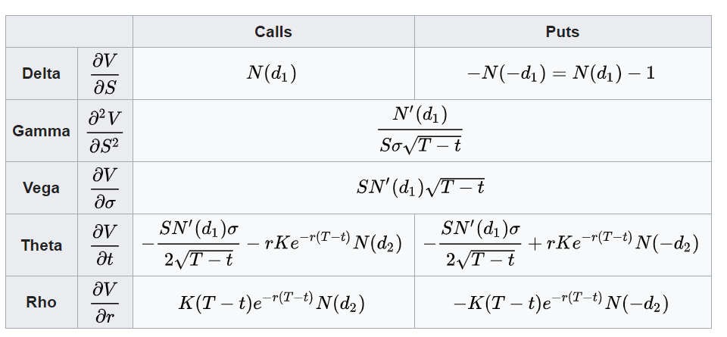
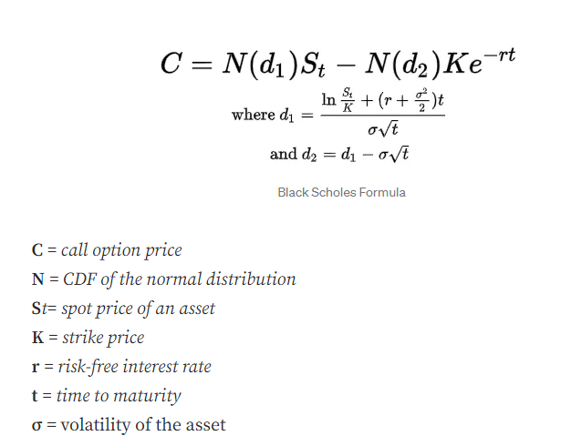
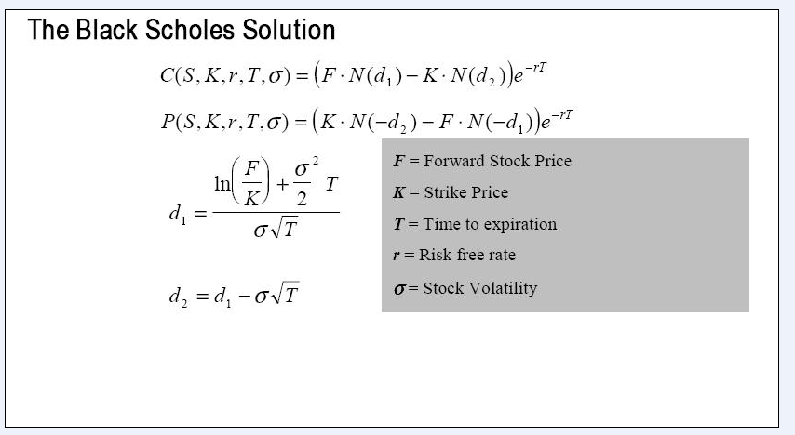
 | European Vanilla Call | base case
 | Trade date | 2022-11-23 |  | with spot price |  | with forward price
 | Expiry | 2023-05-10
 | S0 | 19
 | K (strike) | 17
 | Time to Expiry | 0.460
 | r | 0.5%
 | r_cont | 0.5%
 | Div yield (cont) | 0%
 | Vol | 0.3

 | F=forward stock price | 19.04367

with forward price | d1 | 0.65953
 | d2 | 0.45600

with spot price | d1 | 0.65953
 | d2 | 0.45600

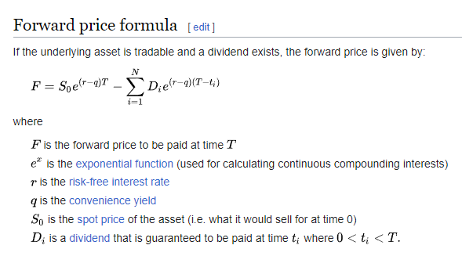
with forward price | Call | 2.70
with spot price | Call | 2.70

with forward price | Put | 0.66 | premium
with put-call parity | Put | 0.66

 |  |  |  |  | put- call parity

 |  |  |  |  | Greeks

VaR Methodolgy
